Gender dashboard
 |  | GENDER DASHBOARD |  | Logo UN/ 2x global? (to be confirmed by UN Women and 2X)
Version 3 - May 2026

MISSION STATEMENT |  |  | GLOBAL GENDER SCORE |  | 80

What is the mission statement of the Financial Service Provider? |  |  | Gender Strategy Score:
 |  |  | Employees Score:
 |  |  | Clients Score:

Social Institutions and Gender Index 0 = no discrimination; 100 = absolute discrimination
 | Social Institutions and Gender Index
Continent | 39.8
OECD | 15.3
World: | 29.2
Country | 34.4
CONTEXT
Country: | Country of the FSP | Data SIGI (national) | Gender Context: Based on SIGI data
Share of women among bank account owners: |  | 36.7%
Share of women among managers |  | 13.8%
Share of women in parliament |  | 7.4%
Description of local cultural, legal, and economic environments + regulatory framework that influences gender inclusion, including comments on the specificities of the cultural context in the company sector, especially in the gender dynamic (household, men/women relationships, women roles in the community, etc.)
TO BE DISCUSSED WITH 2X
 |  |  | Source: Based on OECD Social Institutions and Gender Index (SIGI) indicators

 | Borrowers by gender
Women borrowers | 0.79
Men borrowers | 0.21
GENDER STRATEGY
Please note that the indicators are fully aligned with the Universal Standards for Social and Environmental Performance Management (https://cerise-sptf.org/universal-standards/). The analysis proposes a focus on Gender. (*) refers to indicators in ALINUS, (o) refers to indicators in SPI5 Full but not in ALINUS
1) WOMEN TARGETING | * 1.A.1.1 The strategy defines the demographic and socioeconomic characteristics of target clients. | yes / partially / no
 | Focus Gender: Checks whether women / women-led SMEs are clearly mentioned in the strategy, whether this is visible in public communication (website, materials) and whether it defines the target client characteristics. Checks whether there is a strategy/action plan to address gender barriers and how womens' access to capital is reducing barriers. | comments
 | o 1.A.1.2 The strategy identifies the benefits that the provider seeks to create for clients, such as : - providing access to the previously excluded - reducing vulnerability to shocks - building assets / Investing in economic opportunities - creating jobs | yes / partially / no |  |  |  | l
 | Focus Gender: Checks if the strategy seeks to create tailored benefits for women clients'needs, facilitating their access in front of specific barriers, strengthening their role in their business, household and local community. Paid equal parental leave policy in place. | comments
 | o 1.B.2.2 The provider analyzes outcomes for different segments of clients according to their profile and financial behavior. Minimum frequency: annually | yes / partially / no
 | Focus Gender: Checks if outcomes are segmented by gender and/or related to women led-SMEs and if results are analyzed according to client profile and financial behavior, in line with existing policies. Checks if outcomes are segmented by gender with corresponding track record | comments
 |  |  | COMMENTS ON GENDER STRATEGY
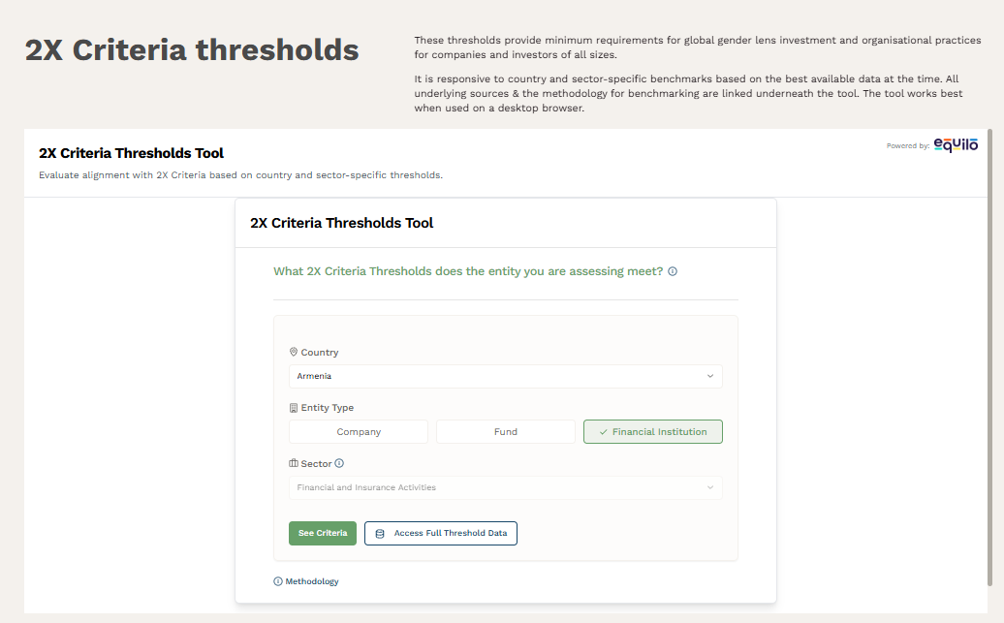
2) COMMITED LEADERSHIP | o 2.A.4.1 The board includes social targets in the CEO/Managing Director's performance evaluation. | yes / partially / no | The provider can use this space to add any comments about its gender strategy. For example, it can describe its overall gender equality approach, governance commitments, and key institutional policies such as its anti-harassment framework, including measures related to Gender-Based Violence and safeguards against sexual harassment.
 | Focus Gender: Checks if targets are in line with a strategy that foster gender inclusion Checks if leadership targets are in line with a strategy that foster gender diversity. | comments
 | * 2.A.3.4 The board takes corrective action when it identifies risks to clients, risks to employees, or when the provider is not achieving its social goals. | yes / partially / no
 | Focus Gender: Checks if risk analysis integrate women in terms of clients and staff. Checks what processes have been built to identify claims and corrective actions in terms of clients and staff. | comments
 | * 2.B.2.3 Management takes corrective action when it identifies risks to clients, risks to employees, or when the provider is not achieving its social goals. | yes / partially / no
 | Focus Gender: Checks if corrective actions integrate women in terms of clients and staff Checks how management implements corrective actions in integrating women in terms of clients and staff | comments

3) IDENTIFYING RISKS FOR WOMEN CLIENTS | * 1.A.1.4 The provider defines a “do no harm” strategy that articulates how it will mitigate the social risks connected to the use of its products and services | yes / partially / no
 | Focus Gender: Checks if potential harms related to gender are integrated (inequal access, gender-based violence) | comments
 | * 4.C.1.2 The provider's policies prohibit the following: 4.C.1.2.2 : Client intimidation: using abusive language, using physical force, limiting physical freedom, sexual harassment, shouting at the client, entering the client’s home uninvited, publicly humiliating the client, using threats | yes / partially / no
 | 4.C.1.2.3 : Discrimination against all internationally recognized Protected Categories. [Sex; Civil/marital status] | yes / partially / no
 | Focus Gender: Gender specific indicator ; Checks whether policies explicitly prohibit gender-based discrimination and abuse (sexual harassment, discrimination based on sex or marital status Plus tracking number of claims | comments

EMPLOYEES LEVEL |  |  | RESULTS AT EMPLOYEES' LEVEL

 | Men | Women
Staff | 30 | 15
Field Staff | 20 | 10
Management Staff | 8 | 3
In Board | 2 | 2
4) TRAINING ON SOCIAL GOAL AND WOMEN TARGETING | o 2.A.2.1 During new board member and management orientation or subsequent training, the provider trains bord and management on the provider’s social goals. | yes / partially / no |  | Women Staff:
 | Focus Gender: Checks gender-specific board and management orientation | comments |  | Women Field Staff:
 | * 5.C.2.1 The provider trains all employees on its social goals and how their work contributes to achieving gender goals and reinforces this on an ongoing basis. | yes / partially / no |  | Women Management Staff:
 | Focus Gender: Checks gender-specific employees trainings, attendance and evaluation process | comments |  | Women In Board:
 |  |  | EQUAL TREATMENT AND CAREER OPPORTUNITIES
5) GENDER EQUALITY AMONG EMPLOYEES | * 5.A.2.3 The provider analyzes salary data to check that men and women receive equal pay for equal work and have equal opportunities for pay increase/promotion | yes / partially / no | Average unadjusted genderpay gap | Fill in with your data
 | Focus Gender: Gender specific indicator that seeks to eliminate forms of wage inequality | comments | Training hours per employee by gender (women vs men staff) | Fill in with your data
 | o 5.B.1.4 Men and women receive equal opportunities for training and skill development. | yes / partially / no | Total hours of training for women (women staff x hours) | Fill in with your data
 | Focus Gender: Gender specific indicator; checks equal access to training and participation by gender. | comments | Number of women staff who received an internal or external training on the reporting period | Fill in with your data
 |  |  | Share strategy for women staff inclusion defined to reduce barriers (e.g. time constraints due to care responsibilities, parental leaves, etc.) | comments

6) IDENTIFYING RISKS FOR EMPLOYEES | * 5.A.1.1 The provider’s Human Resource policy explains employees’ rights and responsibilities related to anti-harassment safeguards | yes / partially / no | FOCUS ON TRAINING
 |  |  | The provider can use this space to explain its strategy concerning staff and beneficiaries training. For example, it can disclose : - The content and objective of trainings (trainings on the provider's social goal, on unconscious bias in lending, on GBVH and gender discrimination) - The targets of the trainings (beneficiaries, employee categories such as board members, credit staff etc.) - The number or percentage of staff trained

 | Focus Gender: Checks specific policies anti-harassement as well as issues around risks of gender-based violence (GBV) | comments
 | * 5.A.1.3 The provider’s non-discrimination policy towards employees covers gender | yes / partially / no
 | Focus Gender: Gender specific indicator, including code of conduct | comments

 | Turnover rate by gender
Women | 5
Men | 3
7) STAFF PROTECTION AND FEEDBACK | * 2.A.3.3 The board uses the following data, provided by management, to monitor decent working conditions for employees : - Employee turnover rate, by gender (annually) - Analysis of employee satisfaction surveys (every 2 years). | yes / partially / no |  | Employee turnover rate for women | Fill in with your data
 | Focus Gender: checks if data is segmented by gender | comments |  | Employee turnover rate for men | Fill in with your data
 | * 5.B.2.2 The provider has formal grievance mechanism that allows employees to raise workplace concerns in a confidential manner. | yes / partially / no
 |  |  | COMMENTS ON RESULTS AT EMPLOYEE'S LEVEL
 | Focus Gender: checks if data is segmented by gender | comments | The provider can use this space to add any comments about its gender strategy concerning staff. - For example, it can disclose the number of complaints received from women employees in the last 3 months compared to the total number of complaints in the last 3 months. If available, it can also disclose the number of reported incidents of discrimination. - On the satisfaction survey, the provider can also disclose the percentage of women employees who declare to be satisfied or very satisfied.
 | o 5.B.2.3 The provider surveys employees on satisfaction and concerns with employment conditions. | yes / partially / no
 | Focus Gender: checks if data is segmented by gender and if specific issues related to gender are taken into account (working hours, parental leaves, harassement, GBV, etc.) | comments

CLIENTS LEVEL |  |  | RESULTS AT CLIENTS' LEVEL
Example: Women borrowers and loans dedicated to women
 | Borrowers | Gross Loan Portfolio
Women | 59% | 51%
8) ACCESS AND USE OF FINANCIAL SERVICES | * 3.A.1.1 Before introducing new products, services, or delivery channels, the provider conducts market research that includes gathering the following data about its target clients: -Analysis of market share, market saturation, and potential market -Client profile data, including gender, age, location (urban/rural), and poverty/income level -Data on clients' needs, goals, and any obstacles to using financial services | yes / partially / no |  | % Women borrowers
 | Focus Gender: Gender specific indicator, checks how market research identifies specific needs of women. | comments |  | % of gross loan porfolio for women
 | o 3.A.2.1 The provider analyzes transactional data (PAR, average loan size, loan repayments, savings deposits and withdrawals) by demographic and socioeconomic segments of its clients. | yes / partially / no |  | Average loan size by Gender
 | Focus Gender: Checks if data is segmented by gender | comments |  | Loan portfolio by purpose (GLP) : Legal entities - SMEs owned by women
 | o 3.A.2.2 The provider analyzes product use (types and frequency) by demographic and socioeconomic segments of its clients. | yes / partially / no
 | Focus Gender: Checks if data is segmented by gender, including differences in product conditions (e.g. APR) between women and men | comments
 | o 3.A.3.3 The provider investigates whether stresses at the household level make it more difficult for clients to use its products and services. | yes / partially / no | COMMENTS ON ACCESS AND USE OF FINANCIAL SERVICES
 |  |  | The provider can use this space to add comments about its strategy concerning the access and use of its financial services. For example, it can explain if it conducts analysis of the local environment, notably legal rights and social norms, to determine whether it operates in an area where the status of women could negatively impact their access to and use of financial services
 | Focus Gender: Checks if data is segmented by gender, and if specific gender issues are taken into account (financial abuse, GBV) | comments
 | o 4.A.1.4.2 The provider checks its algorithms for bias against gender and corrects it as needed. | yes / partially / no
 | Focus Gender: Gender specific indicator | comments

9) CLIENT PROTECTION | o 4.D.2.2 Information about data use and consent is easy for clients to understand. => 4.D.2.2.2 The provider trains clients on the importance of protecting their personal information including Personal Identification Numbers (PINs), savings account balances and information on repayment problems. | yes / partially / no | How many complaints has the provider received in the last 3 months ? |  | Fill in with your data
 | Focus Gender: The provider protects its women clients with a data confidentiality policy to respect their freedom to benefit from financial services without systematically inform the husband. |  | Of these complaints in the last 3 months, how many come from women ? |  | Fill in with your data
 | * 4.E.1.1 Clients have a way to submit complaints to persons other than their loan officer/product officer and that person's supervisor. | yes / partially / no | If you don't have a % or numbers, you can describe how you approached the subject |  | comments
 | Focus Gender: Checks if data is segmented by gender | comments
 | o 4.A.2.1 Senior management monitors portfolio quality to identify over-indebtedness risk (by branch, product and client segment) | yes / partially / no | PAR > 30 + rescheduled (%) for women | Fill in with your data
 | Focus Gender: Checks if data is segmented by gender | comments

10) CLIENT FEEDBACK |  |  | On the satisfaction survey, % of women clients who declared NOT to be satisfied ? |  | Fill in with your data
 | * 3.A.3.1 The provider conducts client satisfaction surveys. | yes / partially / no | % of women clients who would NOT recommend the products / services to family or friends |  | Fill in with your data
 | Focus Gender: Checks if data is segmented by gender | comments | If you don't have a %, you can describe how you approached the subject |  | comments
 | o 3.A.3.2 The provider conducts interviews with dormant and/or exiting clients to look for evidence of product design failures. | yes / partially / no | COMMENTS ON CLIENT PROTECTION AND FEEDBACK
 |  |  | The provider can use this space to add comments about its strategy concerning client protection and feedback.
 | Focus Gender: Checks if data is segmented by gender | comments

 | * = ALINUS Indicator o = SPI5 Full indicators
OUTCOMES MEASUREMENT
OUTCOMES ON CLIENT PROTECTION - Risk Management |  |  | OUTCOMES ON ACCESS AND USE OF FINANCIAL SERVICES

Do you collect information on perceived issues on client protection, at the client level? |  | yes / partially / no | Do you collect information on who is using the loans and how the loans are used? Do these questions have an impact on client privacy? |  | yes / partially / no
If yes: % of women clients declaring that they consider the repayment of the loan very difficult |  | Fill in with your data | If yes, % of women clients who declare that they did NOT use the loan alone. |  | Fill in with your data
If you don't have a %, you can describe how you approached the subject |  | comments | If you don't have a %, you can describe how you approached the subject |  | comments
% of women client declaring that the FSP agents have NOT treated her fairly and respectfully |  | Fill in with your data | % of women clients declaring that their loan was used for household needs. |  | Fill in with your data
If you don't have a %, you can describe how you approached the subject |  | comments | If you don't have a %, you can describe how you approached the subject |  | comments
% of women clients declaring that they do NOT fully understand the terms and conditions of the products and services proposed |  | Fill in with your data | % of women clients declaring that due to the loan, their stress levels (household relations, time and budget management etc.) in general have increased |  | Fill in with your data
If you don't have a %, you can describe how you approached the subject |  | comments | If you don't have a %, you can describe how you approached the subject |  | comments
% of women clients declaring that it is NOT easy to interact with the FSP |  | Fill in with your data | % of women clients declaring that they have experienced negative aspects (too much work for the client or for family members, negative changes in household relations) of the loan in the household and personal life. |  | Fill in with your data
If you don't have a %, you can describe how you approached the subject |  | comments | If you don't have a %, you can describe how you approached the subject |  | comments

Version 1 July 2025 - based on internal work by Cerise+SPTF + on-site meeting at SIWG June 2025, Frankfurt | Changed one duplicated indicator 1.A.1.2 => 1.B.2.2
 | Updated questions on Outcomes: 1) Add a question "do you collect" 2) share outcomes along negative results 3) NPS moved in client feedback section
Version 2 October 2025 - Based on pilot in the field by investors + feedback from UN Women and SIWG | Added Context introduction
 | Added guidance on Focus Gender for Universal Standards indicators
 | Added indicator 3A11 on strategy for products
 | Developed type of answers for Outcomes data
 | Reorganized sections (outcomes all together)
Version 3 May 2026 - Based on more pilot, alignment with 2X and UN Women | In-depth reviews with 2X Global and UN Women Add indic on data privacy (linked to Financial abuse), Add details on trainings Add score for Gender - global, for strategy, for employees, for clients Add graphs, change formatting Verify alignment with international standards/wording (mapping) Verify alignment with international standards

